Bug Report
ID | B_001 | ID | B_002 | ID | B_003 |  | ID | B_004
Test Case ID | TC_004 | Test Case ID | TC_005 | Test Case ID | TC_017 |  | Test Case ID | TC_022
Title | View Function Dosent Show 10 products When Click On It | Title | View Function Dosent Show 50 products When Click On It | Title | All products Are not In The Same Style And Aligned position |  | Title | Trainee Can't Review The Cart At Any Time
Description | View Function Could Be Show 10 products When Click On It but The Page Crashed | Description | View Function Could Be Show 10 products When Click On It but The Page Crashed | Description | The style of the Second product's photo in The First row does not fill the border, and The Div is smaller than other products |  | Description | There No Way To Navigate To Cart Page
Steps | 1- Go To https://academybugs.com/find-bugs/ 2- Navigate To Above The First product From The Left 3- Click On Button Number 10 | Steps | 1- Go To https://academybugs.com/find-bugs/ 2- Navigate To Above The First product From The Left 3- Click On Button Number 10 | Steps | 1- Go To https://academybugs.com/find-bugs/ 2- Navigate To Store |  | Steps | 1- Go To https://academybugs.com/find-bugs/ 2- Navigate To Store
Expected Results | 10 products Should Be Shown And Confirmed By A Massege Beside The View Function | Expected Results | 10 products Should Be Shown And Confirmed By A Massege Beside The View Function | Expected Results | products will be show in the same style and the postion aligned |  | Expected Results | A Way To Navigate To Cart Page
Actual Result | The Page Crached | Actual Result | The Page Crached | Actual Result | The style of the Second product's photo in The First row does not fill the border, and The Div is smaller than other products |  | Actual Result | There No Way To Navigate To Cart Page
Environment | Microsoft Edge V.97 | Environment | Microsoft Edge V.97 | Environment | Microsoft Edge V.97 |  | Environment | Microsoft Edge V.97
Attachments | 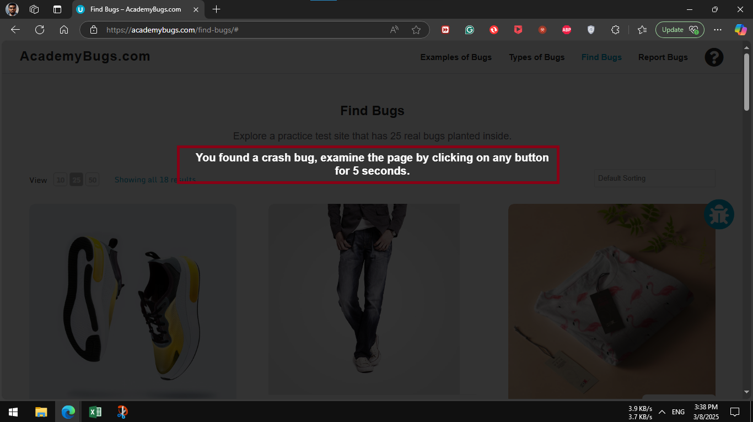 | Attachments |  | Attachments | 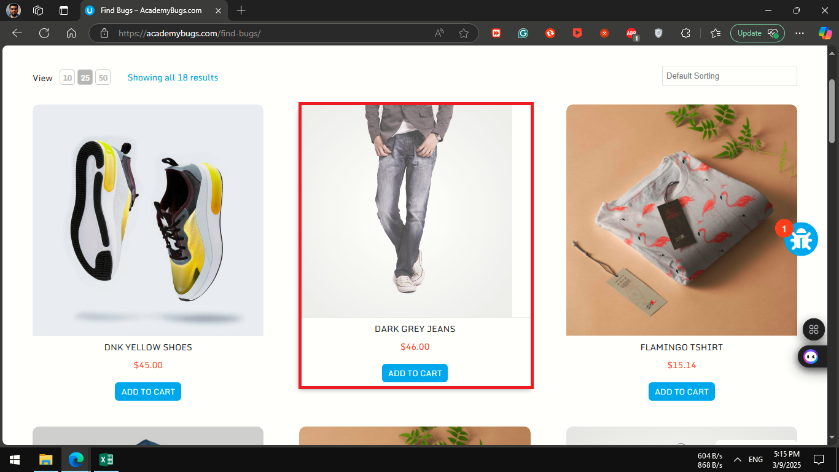 | 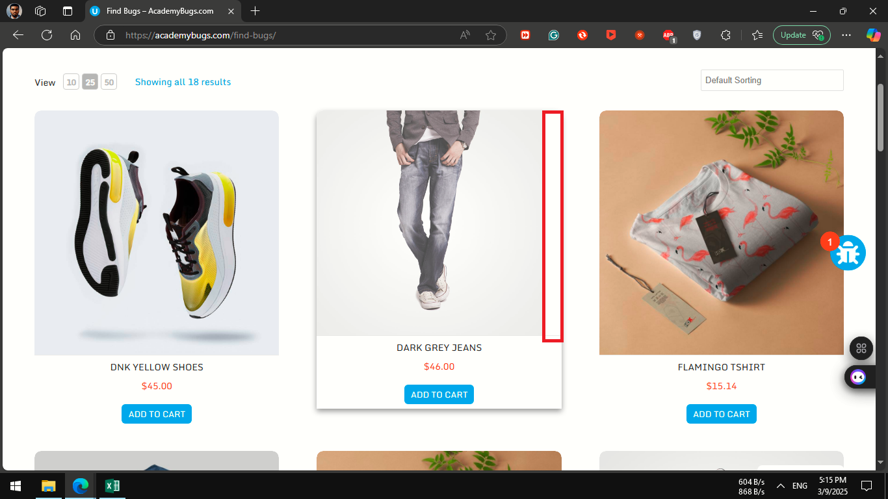 | Attachments | 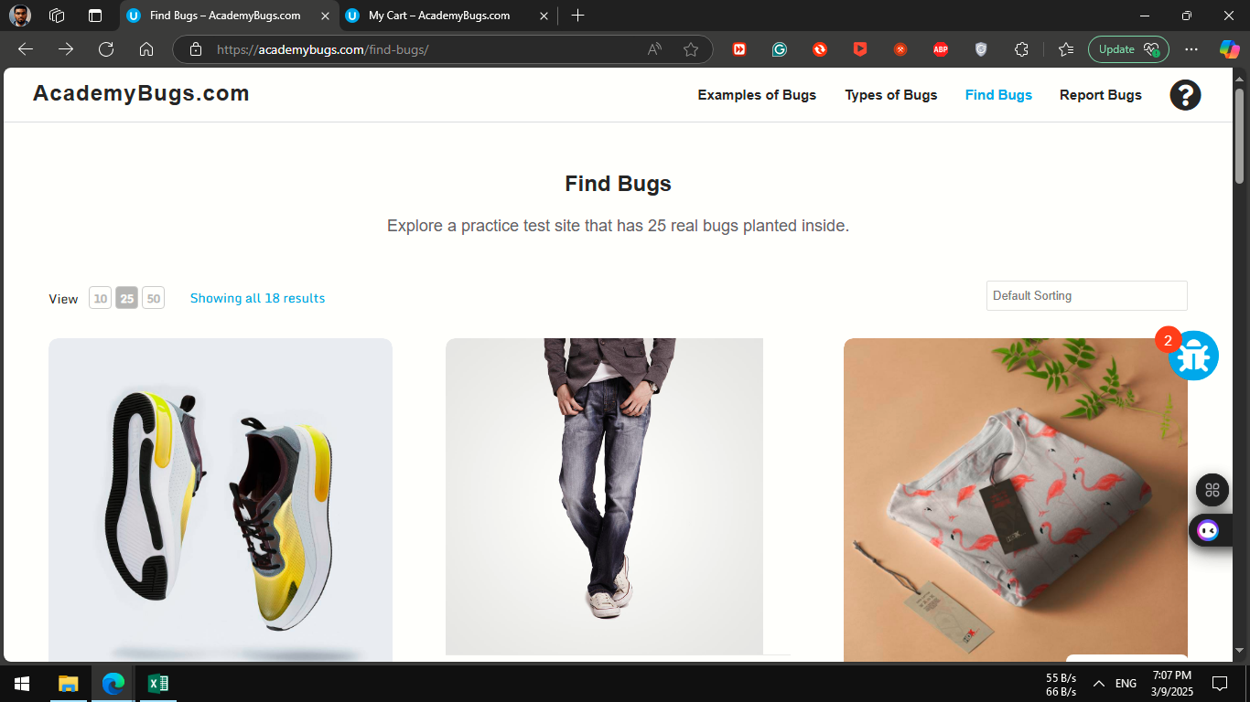
severity | Critical | severity | Critical | severity | medium |  | severity | Critical
Priority | Critical | Priority | Critical | Priority | medium |  | Priority | Critical
Frequency | Every Time | Frequency | Every Time | Frequency | Every Time |  | Frequency | Every Time
Type | Functional | Type | Functional | Type | Visual |  | Type | Missing Functionality

